Web Dev Lifecycle
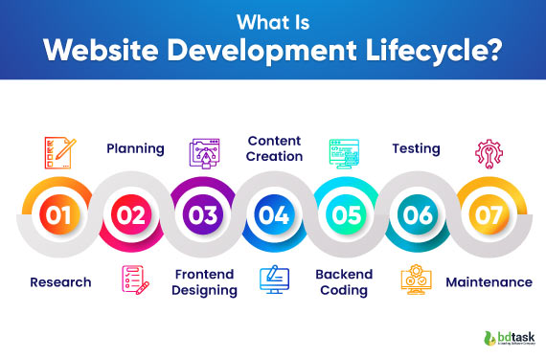

Reference: https://www.bdtask.com/blog/website-development-life-cycle
Due to the scope of the assignment, we have a clear requirement (Phase 1) and content (Phase 4). We do not need to complete Phases 2, 6 and 7; instead, we will focus only on Phases 3 and 5.

US 1.1
History of changes
 | Version | Content |  |  | Updated date |  | Updated by | Note
 | 0.1 | Create new |  |  | 7/2/2025 |  | Luyen

User story
 | As a user, I want to see the navigation menu so that I can easily navigate the website

Acceptance Criteria
 | No | Description
 | 1 | The font should be Roboto, font size 12, aligned to the left.
 | 2 | A house icon on the left of the Home tab.
 | 3

Wireframes

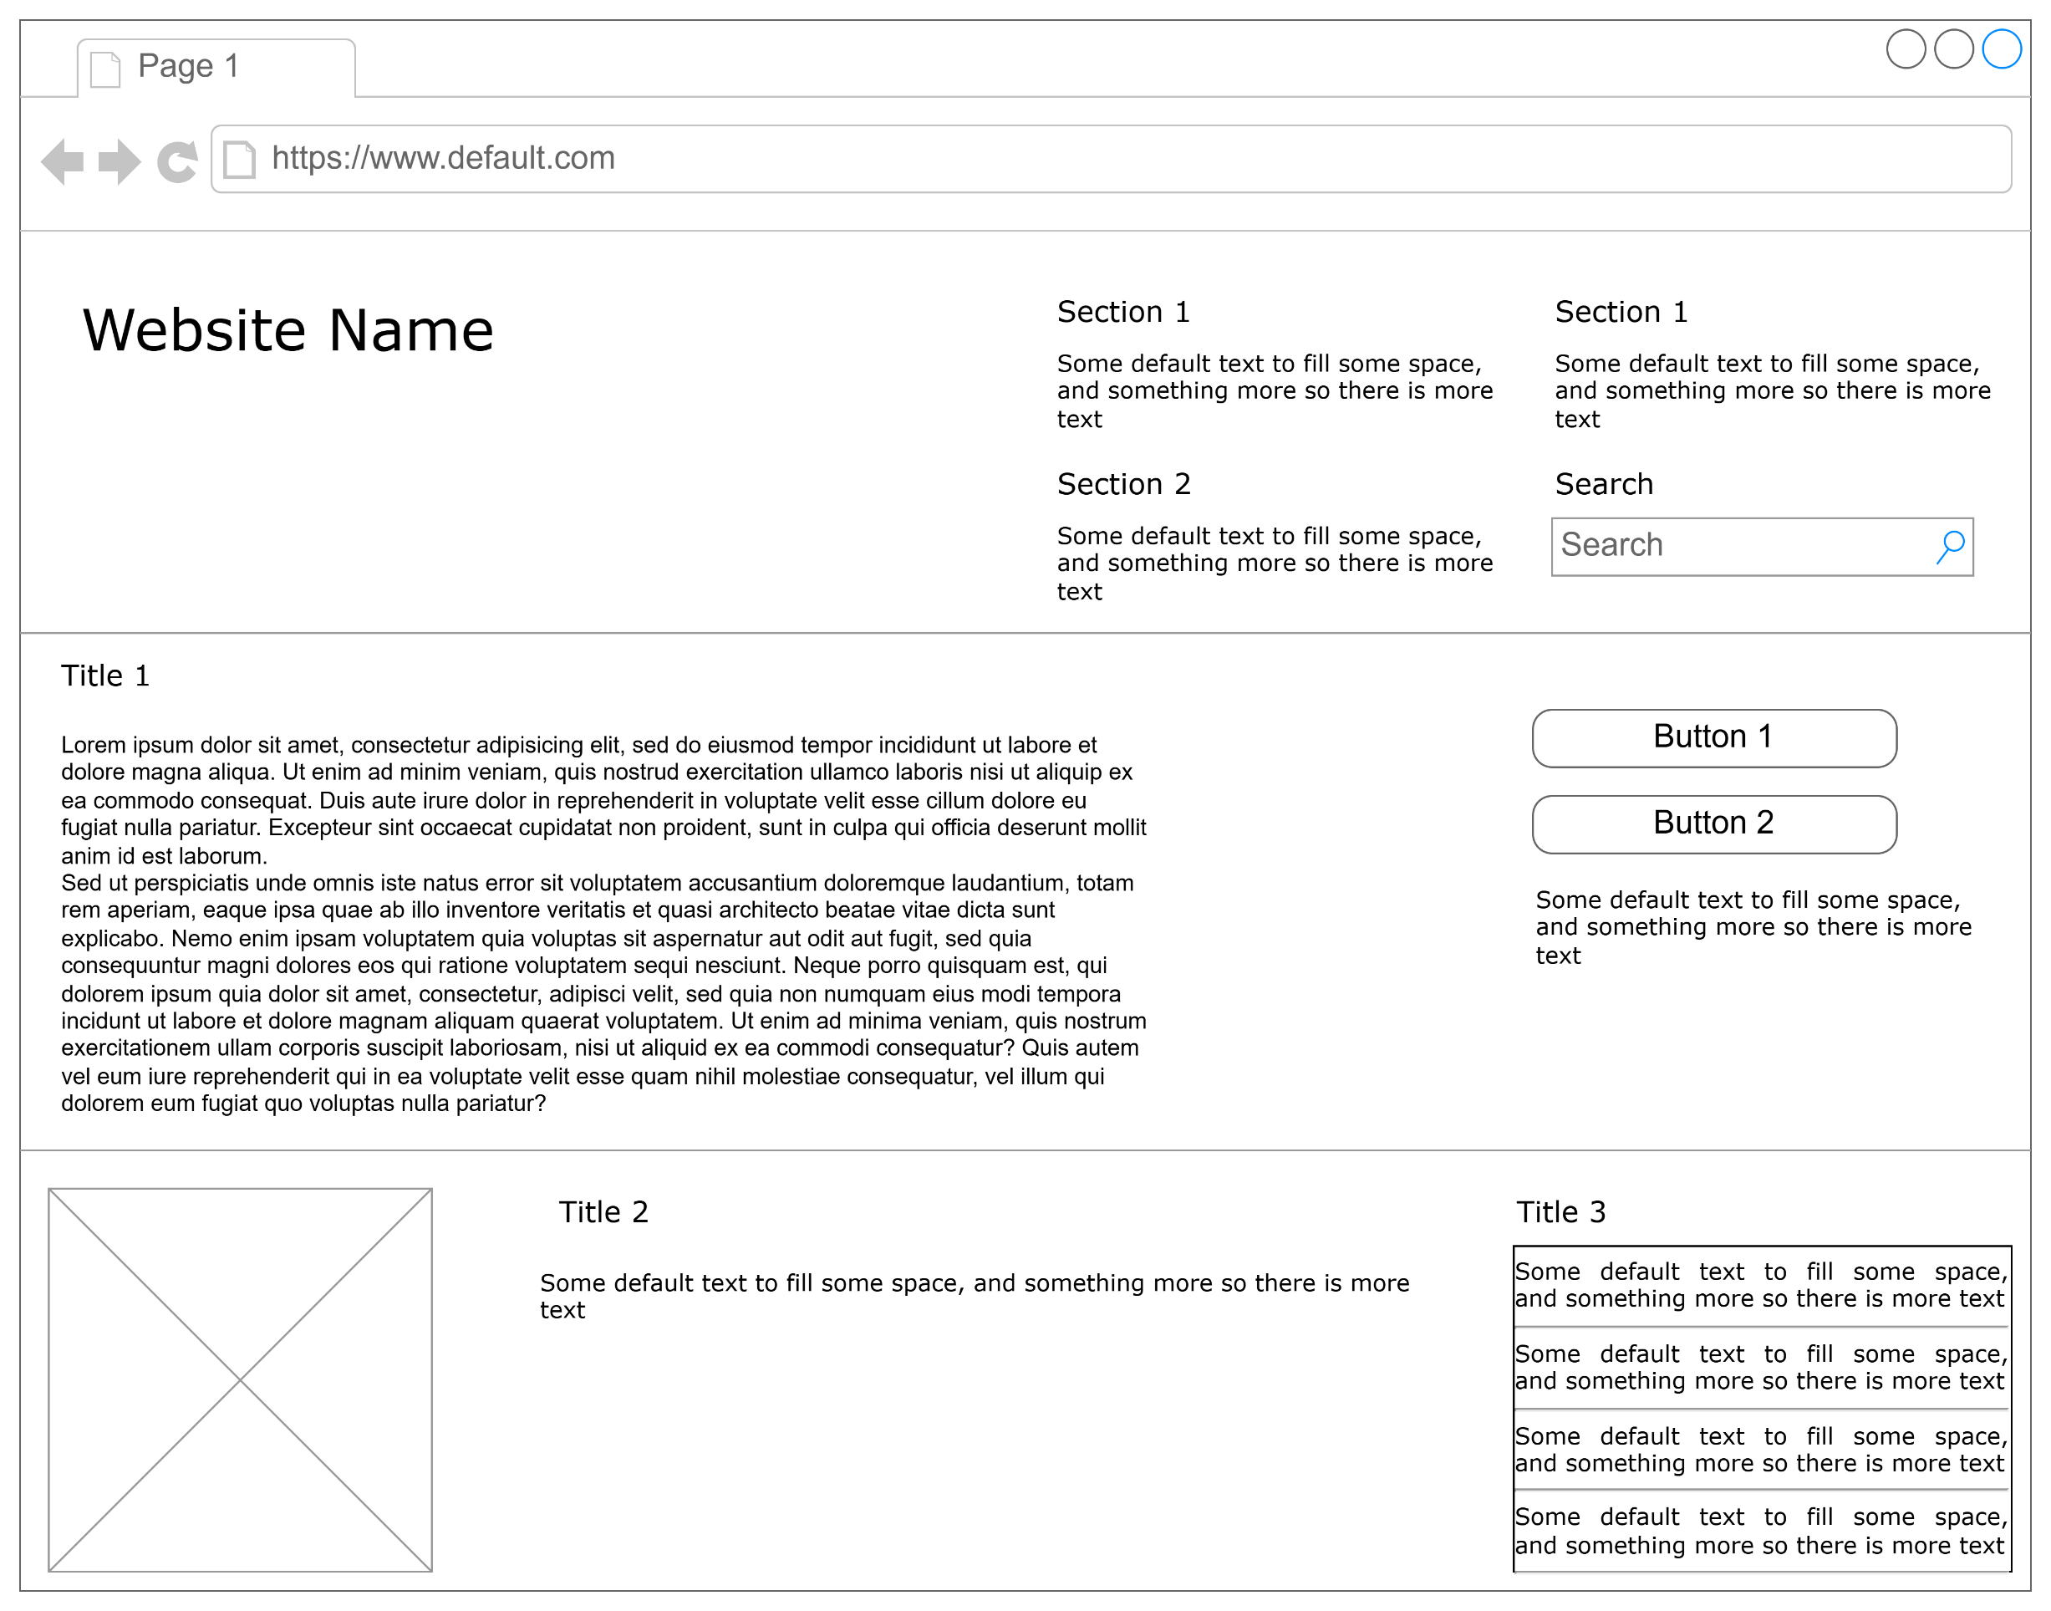

 | ID | Component | Type | Is required? | Min lenght | Max lenght | Description
 | 1
 | 2

